Experimental Result
 | First Model | Second Model | Third Model | Fourth Model
Train Accuracy | 98.3100% | 98.3200% | 98.4100% | 98.3400%
Test Accuracy | 98.0145% | 98.2490% | 98.3480% | 98.5646%
Activation Functions | Tanh, Relu, Sigmoid | Tanh, Relu, Sigmoid | Tanh, Relu, Sigmoid | Tanh, Relu, Sigmoid
Loss Function | binary_crossentropy | binary_crossentropy | binary_crossentropy | binary_crossentropy
Optimizer | adam | adam | adam | adam
Accuracy Training Graph | 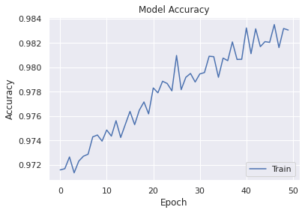 | 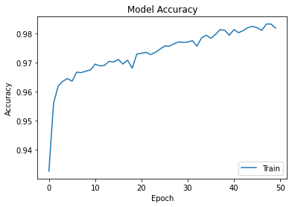 | 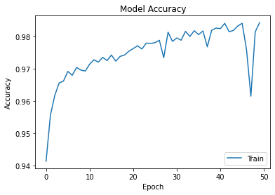 | 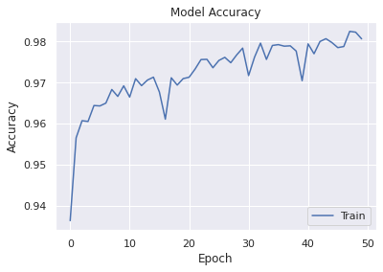
Confusion Matrix | 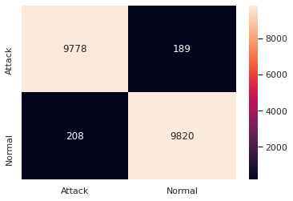 |  | 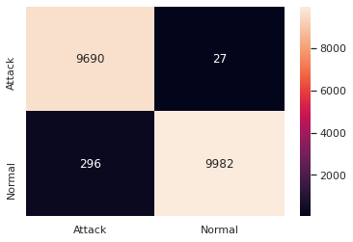 | 